V-K-3
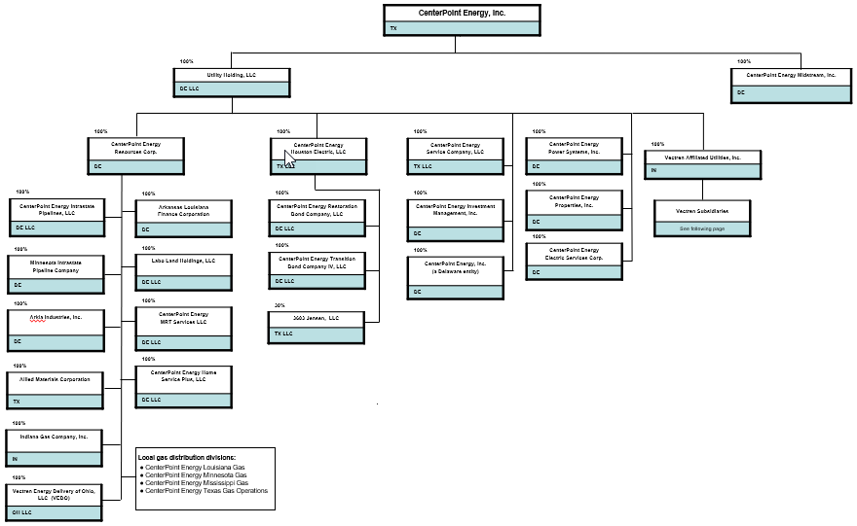
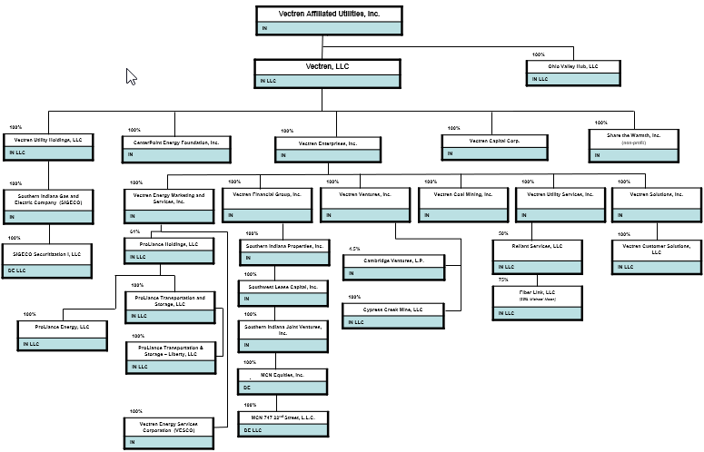
PUBLIC UTILITY COMMISSION OF TEXAS
CENTERPOINT ENERGY HOUSTON ELECTRIC, LLC
V-K-3 ORGANIZATION CHART
TEST YEAR ENDED 12/31/2023
DOCKET NUMBER 56211
SPONSOR: L. DARREN STOREY

